Dashboard
NHS Sickness Rate: 04/2018 - 05/2021

 | Sickness%
4/1/2018 | 2.39%
5/1/2018 | 7.11%
6/1/2018 | 7.43%
7/1/2018 | 3.16%
8/1/2018 | 1.54%
9/1/2018 | 6.11%
10/1/2018 | 6.80%
11/1/2018 | 2.22%
12/1/2018 | 2.73%
1/1/2019 | 1.96%
2/1/2019 | 1.79%
3/1/2019 | 10.02%
4/1/2019 | 1.07%
5/1/2019 | 5.65%
6/1/2019 | 2.08%
7/1/2019 | 7.58%
8/1/2019 | 1.15%
9/1/2019 | 6.07%
10/1/2019 | 3.53%
11/1/2019 | 1.95%
12/1/2019 | 8.05%
1/1/2020 | 8.12%
2/1/2020 | 5.76%
3/1/2020 | 3.88%
4/1/2020 | 11.69%
5/1/2020 | 15.95%
6/1/2020 | 12.73%
7/1/2020 | 13.39%
8/1/2020 | 6.17%
9/1/2020 | 7.67%
10/1/2020 | 12.59%
11/1/2020 | 9.72%
12/1/2020 | 4.04%
1/1/2021 | 5.70%
2/1/2021 | 1.76%
3/1/2021 | 4.14%
4/1/2021 | 5.32%
5/1/2021 | 2.62%
Combined Total Sickness %
Corporate and Admin | 6.86%
Estates | 6.89%
Medical and Dental staff | 6.95%
Midwives | 6.89%
Qualified AHPs | 6.81%
Qualified Ambulance Service Staff | 6.78%
Qualified Healthcare Scientists | 6.92%
Qualified STT staff | 6.93%
Registered Nurses | 6.89%
Support to AHP | 6.82%
Support to Healthcare Scientists | 6.88%
Support to Nurses | 6.73%
Support to STT staff | 6.79%
Trainee Nurse Associates | 6.90%
Health Visitors | 6.88%
Support to Ambulance Staff | 7.03%
Nurse Associates | 7.39%
 |  | Filters

 |  |  | Time Period:

 | 2018-04-01 |  | 2018-04-01

 | 2020-03-01 |  | 2021-05-01

Corporate and Admin | 6.68%
Estates | 6.54%
Health Visitors | 6.39%
Medical and Dental staff | 7.18%
Midwives | 7.46%
Nurse Associates | 7.58%
Qualified AHPs | 6.63%
Qualified Ambulance Service Staff | 6.47%
Qualified Healthcare Scientists | 6.58%
Qualified STT staff | 6.88%
Registered Nurses | 6.95%
Support to AHP | 6.78%
Support to Ambulance Staff | 8.47%
Support to Healthcare Scientists | 7.01%
Support to Nurses | 5.83%
Support to STT staff | 6.94%
Trainee Nurse Associates | 7.35%

 |  |  | Staff Role:

 |  |  | Support to Nurses

 |  |  | Region & System:

 |  |  | South East

 |  |  | Buckinghamshire, Oxfordshire and Berkshire West STP

Review and Analysis
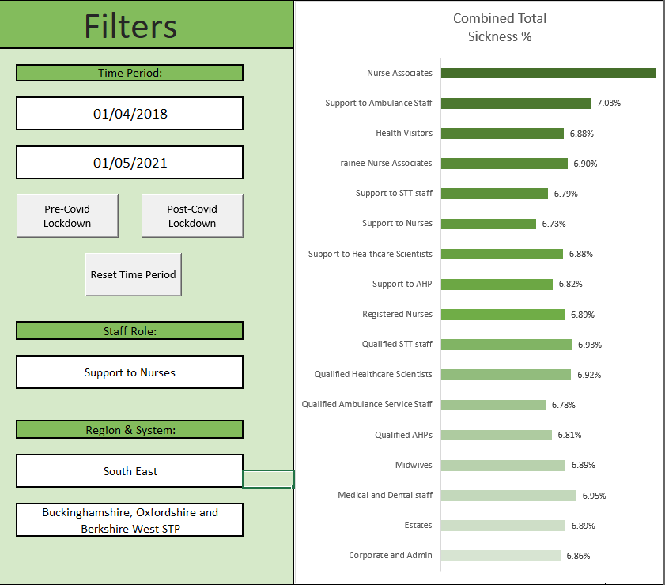
Review and Analysis.

Disclaimer: This sickness rates have been completely randomised for this data set to maintain confidentiality. The data from the Covid lockdown period from 04/20 - 11/20 has been increased as an example for this analysis. The results from the randomised data evens out over the entire data set and with the only outstanding results as the Covid Lockdown period as shown in the line graph. The vast increase in sickness can be seen at 04/20 and continues until the 11/20 towards the end of the lockdown period where the sickness rates heavily decline and begin to steady over the remaining period. I will begin to briefly explain some of the workings done on this dashboard as this was made as a showcase of ability with excel. Filtered Workings Sheet: On this sheet you will find many examples of 'Xlookup', 'Sumifs' with several criteria for filtering, 'Index and Match' along with various 'Filter', 'Unique', 'Transpose' combined with the use of the spill function. The 'Time Period' Filter as seen in Fig.1 has been created to only display dates past the 'from' selection. I created the filter this way to ensure ease of use by the 'client'. The filter effects both the line and bar chart in Fig.1 for ease of comparison. If there was an anomaly with a staff group shown in the line chart, the 'Staff Roles' filter could be selected to see the in-depth results on the line chart. The Form Control buttons combined with VBA scripting. The buttons available for selection with the 'Time Period' filter have VBA scripting for added ease with date selection for the client. When clicked, the graphs will respond accordingly. The 'Region and System' filter affects both the line and bar chart. When selecting the desired Region, the corresponding System will appear in the drop-down selection box. Overall Data workings: Fig.2: This graph is designed to show the overall sickness rates across all Regions over the entire period of time. It includes Sumifs and basic m

 | Fig.1
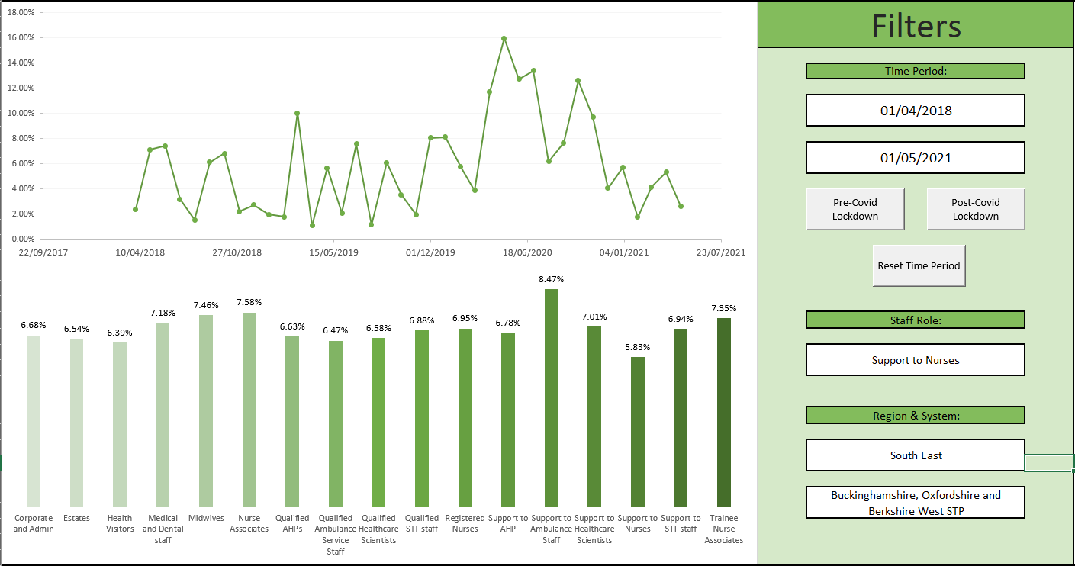

 | Fig.2

Filtered workings
 | Corporate and Admin | Estates | Health Visitors | Medical and Dental staff | Midwives | Nurse Associates | Qualified AHPs | Qualified Ambulance Service Staff | Qualified Healthcare Scientists | Qualified STT staff | Registered Nurses | Support to AHP | Support to Ambulance Staff | Support to Healthcare Scientists | Support to Nurses | Support to STT staff | Trainee Nurse Associates
2018-04-01 | 1.5% | 2.4% | 4.6% | 6.6% | 7.9% |  | 5.9% | 2.1% | 6.6% | 9.4% | 9.9% | 7.8% |  | 1.0% | 2.4% | 7.7%
2018-05-01 | 5.0% | 4.7% | 4.7% | 8.5% | 4.5% |  | 8.5% | 7.1% | 2.8% | 9.1% | 2.3% | 5.4% |  | 5.8% | 7.1% | 2.0%
2018-06-01 | 6.3% | 3.0% | 10.9% | 9.0% | 9.7% |  | 7.7% | 1.1% | 7.4% | 7.3% | 7.7% | 7.7% |  | 6.5% | 7.4% | 9.9%
2018-07-01 | 2.8% | 4.3% | 1.3% | 8.9% | 9.0% |  | 10.4% | 5.7% | 6.0% | 3.6% | 6.8% | 2.7% |  | 8.9% | 3.2% | 6.7%
2018-08-01 | 10.5% | 4.1% | 1.1% | 3.4% | 9.0% |  | 6.0% | 9.6% | 7.7% | 3.1% | 4.7% | 4.0% |  | 4.4% | 1.5% | 6.3%
2018-09-01 | 2.6% | 9.3% | 1.1% | 4.1% | 6.5% |  | 6.0% | 7.9% | 3.4% | 6.6% | 7.6% | 7.0% |  | 2.5% | 6.1% | 2.5% | 4.2%
2018-10-01 | 4.8% | 9.0% | 3.8% | 5.9% | 10.1% |  | 2.2% | 9.5% | 10.5% | 8.3% | 10.0% | 4.7% |  | 5.0% | 6.8% | 6.3% | 2.8%
2018-11-01 | 10.1% | 3.6% | 4.8% | 6.2% | 6.9% |  | 5.5% | 2.1% | 6.4% | 7.7% | 3.7% | 5.7% |  | 8.3% | 2.2% | 5.8% | 8.8%
2018-12-01 | 4.9% | 4.9% | 9.3% | 3.8% | 3.0% |  | 2.2% | 8.6% | 8.5% | 3.0% | 6.0% | 6.0% |  | 10.0% | 2.7% | 6.4% | 2.3%
2019-01-01 | 5.3% | 8.3% | 8.6% | 10.7% | 10.1% |  | 2.5% | 6.5% | 4.0% | 4.3% | 5.3% | 5.2% |  | 9.8% | 2.0% | 1.3% | 6.8%
2019-02-01 | 7.4% | 7.1% | 9.6% | 10.4% | 6.1% |  | 1.9% | 8.4% | 3.6% | 5.7% | 7.3% | 9.0% |  | 3.9% | 1.8% | 8.3% | 8.3%
2019-03-01 | 7.1% | 7.2% | 5.3% | 3.0% | 4.9% |  | 2.1% | 10.2% | 9.4% | 1.5% | 8.7% | 10.3% |  | 1.6% | 10.0% | 7.2% | 10.6%
2019-04-01 | 1.2% | 7.8% | 7.1% | 2.9% | 1.1% |  | 5.7% | 3.0% | 4.5% | 4.6% | 5.8% | 7.4% |  | 4.9% | 1.1% | 7.4% | 4.4%
2019-05-01 | 10.0% | 3.0% | 1.8% | 2.0% | 6.5% | 6.4% | 1.4% | 1.7% | 1.9% | 4.2% | 7.7% | 2.3% |  | 5.1% | 5.7% | 7.1% | 9.3%
2019-06-01 | 4.3% | 9.6% | 7.1% | 6.5% | 6.7% | 1.8% | 6.9% | 8.1% | 8.4% | 6.2% | 6.2% | 4.0% |  | 8.2% | 2.1% | 8.3% | 7.2% | From Date | To Date
2019-07-01 | 7.7% | 4.6% | 1.1% | 8.3% | 2.0% | 7.1% | 9.5% | 3.5% | 4.7% | 8.7% | 4.6% | 8.6% |  | 3.8% | 7.6% | 9.1% | 10.1% | 2018-04-01 | 2018-04-01
2019-08-01 | 4.7% | 6.9% | 6.9% | 10.1% | 6.3% | 1.4% | 8.6% | 8.7% | 3.4% | 8.3% | 5.3% | 8.3% |  | 1.0% | 1.2% | 9.6% | 7.6% | 2018-05-01 | 2018-05-01
2019-09-01 | 8.2% | 8.9% | 7.4% | 8.8% | 6.9% | 6.0% | 9.2% | 8.5% | 7.3% | 1.5% | 9.1% | 9.4% | 8.7% | 8.2% | 6.1% | 3.2% | 4.7% | 2018-06-01 | 2018-06-01
2019-10-01 | 4.6% | 3.8% | 7.7% | 1.1% | 3.7% | 7.3% | 7.4% | 5.1% | 4.0% | 7.7% | 2.5% | 3.7% | 7.9% | 10.6% | 3.5% | 5.7% | 2.5% | 2018-07-01 | 2018-07-01
2019-11-01 | 8.8% | 5.5% | 2.6% | 5.8% | 4.1% | 9.1% | 4.8% | 9.6% | 8.1% | 8.2% | 1.5% | 2.7% | 1.4% | 8.4% | 1.9% | 2.2% | 8.1% | 2018-08-01 | 2018-08-01
2019-12-01 | 2.0% | 2.8% | 6.6% | 9.7% | 6.0% | 5.7% | 7.1% | 2.5% | 3.7% | 2.0% | 4.8% | 7.4% | 7.9% | 6.2% | 8.0% | 9.0% | 8.8% | 2018-09-01 | 2018-09-01
2020-01-01 | 4.0% | 2.7% | 4.1% | 2.9% | 6.8% | 7.6% | 10.5% | 2.6% | 7.3% | 3.0% | 2.4% | 2.3% | 5.0% | 3.0% | 8.1% | 7.4% | 5.0% | 2018-10-01 | 2018-10-01
2020-02-01 | 3.2% | 1.2% | 9.7% | 4.4% | 4.6% | 1.2% | 7.7% | 6.5% | 4.2% | 7.5% | 9.5% | 10.3% | 6.2% | 2.9% | 5.8% | 5.1% | 2.6% | 2018-11-01 | 2018-11-01
2020-03-01 | 1.5% | 1.8% | 1.7% | 1.0% | 3.9% | 6.2% | 8.5% | 2.9% | 5.0% | 8.3% | 3.7% | 3.4% | 6.1% | 5.9% | 3.9% | 8.2% | 4.1% | 2018-12-01 | 2018-12-01
2020-04-01 | 7.5% | 15.3% | 14.1% | 7.6% | 16.2% | 14.9% | 7.6% | 6.6% | 9.9% | 12.2% | 14.5% | 8.2% | 13.5% | 9.7% | 11.7% | 11.1% | 8.3% | 2019-01-01 | 2019-01-01
2020-05-01 | 9.8% | 10.8% | 10.9% | 15.4% | 9.9% | 11.9% | 11.5% | 8.0% | 7.1% | 6.9% | 13.9% | 16.0% | 15.1% | 14.3% | 16.0% | 6.7% | 11.1% | 2019-02-01 | 2019-02-01
2020-06-01 | 9.1% | 12.0% | 10.8% | 7.5% | 13.9% | 7.5% | 15.0% | 11.3% | 14.1% | 9.5% | 13.4% | 13.7% | 15.2% | 10.9% | 12.7% | 12.2% | 9.5% | 2019-03-01 | 2019-03-01
2020-07-01 | 8.0% | 8.5% | 12.7% | 14.6% | 11.0% | 12.5% | 12.0% | 9.6% | 9.0% | 15.6% | 9.1% | 11.8% | 10.4% | 11.4% | 13.4% | 10.9% | 9.6% | 2019-04-01 | 2019-04-01
2020-08-01 | 12.1% | 12.0% | 8.7% | 9.0% | 12.7% | 8.8% | 10.9% | 14.2% | 14.4% | 11.1% | 7.5% | 7.1% | 14.4% | 6.8% | 6.2% | 7.9% | 12.6% | 2019-05-01 | 2019-05-01
2020-09-01 | 14.4% | 14.9% | 8.8% | 11.0% | 12.0% | 7.6% | 7.0% | 10.3% | 10.5% | 6.1% | 9.7% | 7.8% | 6.9% | 14.5% | 7.7% | 6.7% | 15.8% | 2019-06-01 | 2019-06-01
2020-10-01 | 7.7% | 12.9% | 7.3% | 8.9% | 11.0% | 6.6% | 9.9% | 7.4% | 6.3% | 9.4% | 6.4% | 9.7% | 12.6% | 15.0% | 12.6% | 15.0% | 7.7% | 2019-07-01 | 2019-07-01
2020-11-01 | 9.2% | 9.4% | 7.5% | 14.1% | 13.9% | 13.1% | 7.7% | 6.7% | 6.9% | 9.4% | 11.4% | 10.4% | 10.9% | 11.1% | 9.7% | 10.9% | 10.3% | 2019-08-01 | 2019-08-01
2020-12-01 | 8.0% | 4.4% | 8.0% | 8.5% | 2.2% | 8.0% | 4.4% | 3.4% | 1.1% | 9.8% | 4.3% | 1.5% | 8.7% | 7.9% | 4.0% | 6.2% | 6.8% | 2019-09-01 | 2019-09-01
2021-01-01 | 10.7% | 3.7% | 2.3% | 3.7% | 4.3% | 8.2% | 1.6% | 8.3% | 8.3% | 3.2% | 10.2% | 8.1% | 9.7% | 9.9% | 5.7% | 8.7% | 10.7% | 2019-10-01 | 2019-10-01
2021-02-01 | 9.5% | 3.2% | 5.6% | 3.6% | 9.7% | 6.3% | 2.4% | 8.4% | 1.5% | 6.4% | 6.8% | 8.7% | 6.6% | 4.8% | 1.8% | 1.8% | 7.4% | 2019-11-01 | 2019-11-01
2021-03-01 | 7.8% | 2.7% | 9.9% | 6.2% | 7.8% | 3.8% | 2.8% | 3.2% | 5.3% | 7.4% | 2.7% | 2.8% | 6.2% | 8.0% | 4.1% | 4.6% | 2.3% | 2019-12-01 | 2019-12-01
2021-04-01 | 5.2% | 3.6% | 5.5% | 7.6% | 5.9% | 10.0% | 6.8% | 1.9% | 9.4% | 9.0% | 6.8% | 1.3% | 2.4% | 1.8% | 5.3% | 6.9% | 8.8% | 2020-01-01 | 2020-01-01
2021-05-01 | 6.5% | 8.6% | 2.0% | 11.0% | 6.9% | 10.4% | 4.3% | 5.3% | 7.4% | 5.7% | 3.9% | 5.2% | 2.2% | 4.3% | 2.6% | 1.1% | 3.7% | 2020-02-01 | 2020-02-01
 |  |  |  |  |  |  |  |  |  |  |  |  |  |  |  |  |  | 2020-03-01 | 2020-03-01
 |  |  |  |  |  |  |  |  |  |  |  |  |  |  |  |  |  | 2020-04-01 | 2020-04-01
 |  |  |  |  |  |  |  |  |  |  |  |  |  |  |  |  |  | 2020-05-01 | 2020-05-01
 |  |  |  |  |  |  |  |  |  |  |  |  |  |  |  |  |  | 2020-06-01 | 2020-06-01
 |  |  |  | Date | Sickness% |  |  |  |  |  |  |  |  |  |  |  |  | 2020-07-01 | 2020-07-01
 |  |  |  | 2018-04-01 | 2.39% |  |  |  |  |  |  |  |  |  |  |  |  | 2020-08-01 | 2020-08-01
 |  |  |  | 2018-05-01 | 7.11% |  |  |  |  |  |  |  |  |  |  |  |  | 2020-09-01 | 2020-09-01
 |  |  |  | 2018-06-01 | 7.43% |  |  |  |  |  |  |  |  |  | Corporate and Admin |  |  | 2020-10-01 | 2020-10-01
 |  |  |  | 2018-07-01 | 3.16% |  |  |  |  |  |  |  |  |  | Estates |  |  | 2020-11-01 | 2020-11-01
 |  |  |  | 2018-08-01 | 1.54% |  |  |  |  |  |  |  |  |  | Health Visitors |  |  | 2020-12-01 | 2020-12-01
 |  |  |  | 2018-09-01 | 6.11% |  |  |  |  |  |  |  |  |  | Medical and Dental staff |  |  | 2021-01-01 | 2021-01-01
 |  |  |  | 2018-10-01 | 6.80% |  |  |  |  |  |  |  |  |  | Midwives |  |  | 2021-02-01 | 2021-02-01
 |  |  |  | 2018-11-01 | 2.22% |  |  |  |  |  |  |  |  |  | Nurse Associates |  |  | 2021-03-01 | 2021-03-01
 |  |  |  | 2018-12-01 | 2.73% |  |  |  |  |  |  |  |  |  | Qualified AHPs |  |  | 2021-04-01 | 2021-04-01
 |  |  |  | 2019-01-01 | 1.96% |  |  |  |  |  |  |  |  |  | Qualified ambulance service staff |  |  | 2021-05-01 | 2021-05-01
 |  |  |  | 2019-02-01 | 1.79% |  |  |  |  |  |  |  |  |  | Qualified Healthcare Scientists
 |  |  |  | 2019-03-01 | 10.02% |  |  |  |  |  |  |  |  |  | Qualified STT staff
 |  |  |  | 2019-04-01 | 1.07% |  |  |  |  |  |  |  |  |  | Registered Nurses
 |  |  |  | 2019-05-01 | 5.65% |  |  |  |  |  |  |  |  |  | Support to AHP
 |  |  |  | 2019-06-01 | 2.08% |  |  |  |  |  |  |  |  |  | Support to Ambulance Staff
 |  |  |  | 2019-07-01 | 7.58% |  |  |  |  |  |  |  |  |  | Support to Healthcare Scientists
 |  |  |  | 2019-08-01 | 1.15% |  |  |  |  |  |  |  |  |  | Support to Nurses
 |  |  |  | 2019-09-01 | 6.07% |  |  |  |  |  |  |  |  |  | Support to STT staff
 |  |  |  | 2019-10-01 | 3.53% |  |  |  |  |  |  |  |  |  | Trainee Nurse Associates
 |  |  |  | 2019-11-01 | 1.95%
 |  |  |  | 2019-12-01 | 8.05%
 |  |  |  | 2020-01-01 | 8.12%
 |  |  |  | 2020-02-01 | 5.76%
 |  |  |  | 2020-03-01 | 3.88%
 |  |  |  | 2020-04-01 | 11.69%
 |  |  |  | 2020-05-01 | 15.95%
 |  |  |  | 2020-06-01 | 12.73%
 |  |  |  | 2020-07-01 | 13.39%
 |  |  |  | 2020-08-01 | 6.17%
 |  |  |  | 2020-09-01 | 7.67%
 |  |  |  | 2020-10-01 | 12.59%
 |  |  |  | 2020-11-01 | 9.72%
 |  |  |  | 2020-12-01 | 4.04%
 |  |  |  | 2021-01-01 | 5.70%
 |  |  |  | 2021-02-01 | 1.76%
 |  |  |  | 2021-03-01 | 4.14%
 |  |  |  | 2021-04-01 | 5.32%
 |  |  |  | 2021-05-01 | 2.62%

 | Corporate and Admin | Estates | Health Visitors | Medical and Dental staff | Midwives | Nurse Associates | Qualified AHPs | Qualified Ambulance Service Staff | Qualified Healthcare Scientists | Qualified STT staff | Registered Nurses | Support to AHP | Support to Ambulance Staff | Support to Healthcare Scientists | Support to Nurses | Support to STT staff | Trainee Nurse Associates
2018-04-01 | 1.5% | 2.4% | 4.6% | 6.6% | 7.9% |  | 5.9% | 2.1% | 6.6% | 9.4% | 9.9% | 7.8% |  | 1.0% | 2.4% | 7.7%
2018-05-01 | 5.0% | 4.7% | 4.7% | 8.5% | 4.5% |  | 8.5% | 7.1% | 2.8% | 9.1% | 2.3% | 5.4% |  | 5.8% | 7.1% | 2.0%
2018-06-01 | 6.3% | 3.0% | 10.9% | 9.0% | 9.7% |  | 7.7% | 1.1% | 7.4% | 7.3% | 7.7% | 7.7% |  | 6.5% | 7.4% | 9.9%
2018-07-01 | 2.8% | 4.3% | 1.3% | 8.9% | 9.0% |  | 10.4% | 5.7% | 6.0% | 3.6% | 6.8% | 2.7% |  | 8.9% | 3.2% | 6.7%
2018-08-01 | 10.5% | 4.1% | 1.1% | 3.4% | 9.0% |  | 6.0% | 9.6% | 7.7% | 3.1% | 4.7% | 4.0% |  | 4.4% | 1.5% | 6.3%
2018-09-01 | 2.6% | 9.3% | 1.1% | 4.1% | 6.5% |  | 6.0% | 7.9% | 3.4% | 6.6% | 7.6% | 7.0% |  | 2.5% | 6.1% | 2.5% | 4.2%
2018-10-01 | 4.8% | 9.0% | 3.8% | 5.9% | 10.1% |  | 2.2% | 9.5% | 10.5% | 8.3% | 10.0% | 4.7% |  | 5.0% | 6.8% | 6.3% | 2.8%
2018-11-01 | 10.1% | 3.6% | 4.8% | 6.2% | 6.9% |  | 5.5% | 2.1% | 6.4% | 7.7% | 3.7% | 5.7% |  | 8.3% | 2.2% | 5.8% | 8.8%
2018-12-01 | 4.9% | 4.9% | 9.3% | 3.8% | 3.0% |  | 2.2% | 8.6% | 8.5% | 3.0% | 6.0% | 6.0% |  | 10.0% | 2.7% | 6.4% | 2.3%
2019-01-01 | 5.3% | 8.3% | 8.6% | 10.7% | 10.1% |  | 2.5% | 6.5% | 4.0% | 4.3% | 5.3% | 5.2% |  | 9.8% | 2.0% | 1.3% | 6.8%
2019-02-01 | 7.4% | 7.1% | 9.6% | 10.4% | 6.1% |  | 1.9% | 8.4% | 3.6% | 5.7% | 7.3% | 9.0% |  | 3.9% | 1.8% | 8.3% | 8.3%
2019-03-01 | 7.1% | 7.2% | 5.3% | 3.0% | 4.9% |  | 2.1% | 10.2% | 9.4% | 1.5% | 8.7% | 10.3% |  | 1.6% | 10.0% | 7.2% | 10.6%
2019-04-01 | 1.2% | 7.8% | 7.1% | 2.9% | 1.1% |  | 5.7% | 3.0% | 4.5% | 4.6% | 5.8% | 7.4% |  | 4.9% | 1.1% | 7.4% | 4.4%
2019-05-01 | 10.0% | 3.0% | 1.8% | 2.0% | 6.5% | 6.4% | 1.4% | 1.7% | 1.9% | 4.2% | 7.7% | 2.3% |  | 5.1% | 5.7% | 7.1% | 9.3%
2019-06-01 | 4.3% | 9.6% | 7.1% | 6.5% | 6.7% | 1.8% | 6.9% | 8.1% | 8.4% | 6.2% | 6.2% | 4.0% |  | 8.2% | 2.1% | 8.3% | 7.2%
2019-07-01 | 7.7% | 4.6% | 1.1% | 8.3% | 2.0% | 7.1% | 9.5% | 3.5% | 4.7% | 8.7% | 4.6% | 8.6% |  | 3.8% | 7.6% | 9.1% | 10.1%
2019-08-01 | 4.7% | 6.9% | 6.9% | 10.1% | 6.3% | 1.4% | 8.6% | 8.7% | 3.4% | 8.3% | 5.3% | 8.3% |  | 1.0% | 1.2% | 9.6% | 7.6%
2019-09-01 | 8.2% | 8.9% | 7.4% | 8.8% | 6.9% | 6.0% | 9.2% | 8.5% | 7.3% | 1.5% | 9.1% | 9.4% | 8.7% | 8.2% | 6.1% | 3.2% | 4.7%
2019-10-01 | 4.6% | 3.8% | 7.7% | 1.1% | 3.7% | 7.3% | 7.4% | 5.1% | 4.0% | 7.7% | 2.5% | 3.7% | 7.9% | 10.6% | 3.5% | 5.7% | 2.5%
2019-11-01 | 8.8% | 5.5% | 2.6% | 5.8% | 4.1% | 9.1% | 4.8% | 9.6% | 8.1% | 8.2% | 1.5% | 2.7% | 1.4% | 8.4% | 1.9% | 2.2% | 8.1%
2019-12-01 | 2.0% | 2.8% | 6.6% | 9.7% | 6.0% | 5.7% | 7.1% | 2.5% | 3.7% | 2.0% | 4.8% | 7.4% | 7.9% | 6.2% | 8.0% | 9.0% | 8.8%
2020-01-01 | 4.0% | 2.7% | 4.1% | 2.9% | 6.8% | 7.6% | 10.5% | 2.6% | 7.3% | 3.0% | 2.4% | 2.3% | 5.0% | 3.0% | 8.1% | 7.4% | 5.0%
2020-02-01 | 3.2% | 1.2% | 9.7% | 4.4% | 4.6% | 1.2% | 7.7% | 6.5% | 4.2% | 7.5% | 9.5% | 10.3% | 6.2% | 2.9% | 5.8% | 5.1% | 2.6%
2020-03-01 | 1.5% | 1.8% | 1.7% | 1.0% | 3.9% | 6.2% | 8.5% | 2.9% | 5.0% | 8.3% | 3.7% | 3.4% | 6.1% | 5.9% | 3.9% | 8.2% | 4.1%
2020-04-01 | 7.5% | 15.3% | 14.1% | 7.6% | 16.2% | 14.9% | 7.6% | 6.6% | 9.9% | 12.2% | 14.5% | 8.2% | 13.5% | 9.7% | 11.7% | 11.1% | 8.3%
2020-05-01 | 9.8% | 10.8% | 10.9% | 15.4% | 9.9% | 11.9% | 11.5% | 8.0% | 7.1% | 6.9% | 13.9% | 16.0% | 15.1% | 14.3% | 16.0% | 6.7% | 11.1%
2020-06-01 | 9.1% | 12.0% | 10.8% | 7.5% | 13.9% | 7.5% | 15.0% | 11.3% | 14.1% | 9.5% | 13.4% | 13.7% | 15.2% | 10.9% | 12.7% | 12.2% | 9.5%
2020-07-01 | 8.0% | 8.5% | 12.7% | 14.6% | 11.0% | 12.5% | 12.0% | 9.6% | 9.0% | 15.6% | 9.1% | 11.8% | 10.4% | 11.4% | 13.4% | 10.9% | 9.6%
2020-08-01 | 12.1% | 12.0% | 8.7% | 9.0% | 12.7% | 8.8% | 10.9% | 14.2% | 14.4% | 11.1% | 7.5% | 7.1% | 14.4% | 6.8% | 6.2% | 7.9% | 12.6%
2020-09-01 | 14.4% | 14.9% | 8.8% | 11.0% | 12.0% | 7.6% | 7.0% | 10.3% | 10.5% | 6.1% | 9.7% | 7.8% | 6.9% | 14.5% | 7.7% | 6.7% | 15.8%
2020-10-01 | 7.7% | 12.9% | 7.3% | 8.9% | 11.0% | 6.6% | 9.9% | 7.4% | 6.3% | 9.4% | 6.4% | 9.7% | 12.6% | 15.0% | 12.6% | 15.0% | 7.7%
2020-11-01 | 9.2% | 9.4% | 7.5% | 14.1% | 13.9% | 13.1% | 7.7% | 6.7% | 6.9% | 9.4% | 11.4% | 10.4% | 10.9% | 11.1% | 9.7% | 10.9% | 10.3%
2020-12-01 | 8.0% | 4.4% | 8.0% | 8.5% | 2.2% | 8.0% | 4.4% | 3.4% | 1.1% | 9.8% | 4.3% | 1.5% | 8.7% | 7.9% | 4.0% | 6.2% | 6.8%
2021-01-01 | 10.7% | 3.7% | 2.3% | 3.7% | 4.3% | 8.2% | 1.6% | 8.3% | 8.3% | 3.2% | 10.2% | 8.1% | 9.7% | 9.9% | 5.7% | 8.7% | 10.7%
2021-02-01 | 9.5% | 3.2% | 5.6% | 3.6% | 9.7% | 6.3% | 2.4% | 8.4% | 1.5% | 6.4% | 6.8% | 8.7% | 6.6% | 4.8% | 1.8% | 1.8% | 7.4%
2021-03-01 | 7.8% | 2.7% | 9.9% | 6.2% | 7.8% | 3.8% | 2.8% | 3.2% | 5.3% | 7.4% | 2.7% | 2.8% | 6.2% | 8.0% | 4.1% | 4.6% | 2.3%
2021-04-01 | 5.2% | 3.6% | 5.5% | 7.6% | 5.9% | 10.0% | 6.8% | 1.9% | 9.4% | 9.0% | 6.8% | 1.3% | 2.4% | 1.8% | 5.3% | 6.9% | 8.8%
2021-05-01 | 6.5% | 8.6% | 2.0% | 11.0% | 6.9% | 10.4% | 4.3% | 5.3% | 7.4% | 5.7% | 3.9% | 5.2% | 2.2% | 4.3% | 2.6% | 1.1% | 3.7%
Total | 6.68% | 6.54% | 6.39% | 7.18% | 7.46% | 7.58% | 6.63% | 6.47% | 6.58% | 6.88% | 6.95% | 6.78% | 8.47% | 7.01% | 5.83% | 6.94% | 7.35%

Overall Data workings
Total % Sickness
Staff Role | Total %
Corporate and Admin | 6.86%
Estates | 6.89%
Medical and Dental staff | 6.95%
Midwives | 6.89%
Qualified AHPs | 6.81%
Qualified Ambulance Service Staff | 6.78%
Qualified Healthcare Scientists | 6.92%
Qualified STT staff | 6.93%
Registered Nurses | 6.89%
Support to AHP | 6.82%
Support to Healthcare Scientists | 6.88%
Support to Nurses | 6.73%
Support to STT staff | 6.79%
Trainee Nurse Associates | 6.90%
Health Visitors | 6.88%
Support to Ambulance Staff | 7.03%
Nurse Associates | 7.39%

